Dashboard
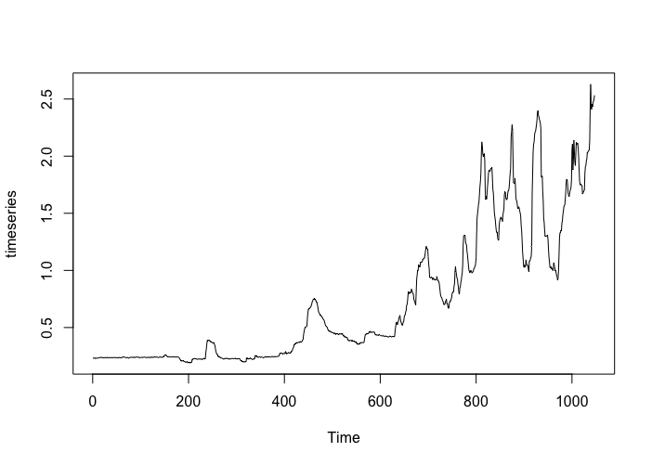
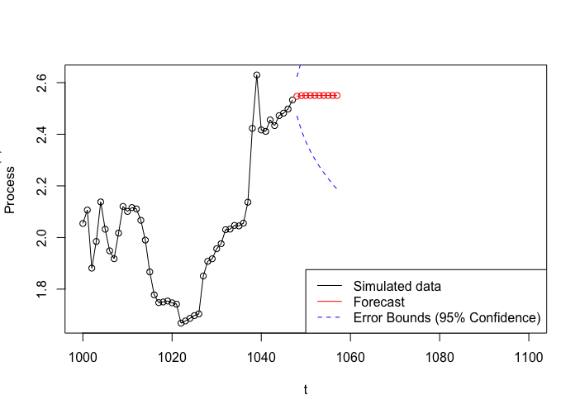
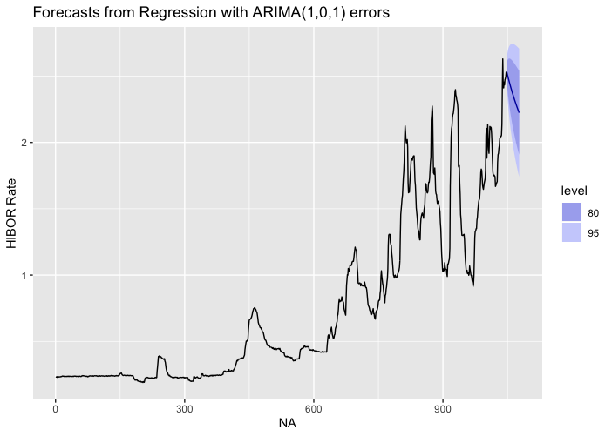
Long Term (2015-2019)
HIBOR Time Series |  |  |  |  | HIBOR Time Series Forecast (no predictors) |  |  |  |  | HIBOR Time Series Forecast (w/ predictors) |  |  |  |  | HIBOR Multiple Linear Regression |  |  |  |  | Cor w/ Fx rate | Cor w/ Fed Funds rate | Cor w/ LIBOR | Cor w/ BalClose | Cor w/ HKM1
 |  |  |  |  |  |  |  |  |  |  |  |  |  |  | HIBOR = .0359-3.818(FX)+0.05172(FedFunds)+0.6156(LIBOR)-0.000001867(AggBal)-0.0002997(HKM1) |  |  |  |  | 0.8009397 | 0.8957154 | 0.8952103 | -0.8780282 | 0.6137567

Monthly

Month | January |  | February |  | March |  | April |  | May |  | June |  | July |  | August |  | September |  | October |  | November |  | December
 | Year | Day | Year | Day | Year | Day | Year | Day | Year | Day | Year | Day | Year | Day | Year | Day | Year | Day | Year | Day | Year | Day | Year | Day
Minimum Rate Days | 2019 | 30 | 2019 | 26 | 2019 | 1 | 2019 | 1 | 2019 | 17 | 2019 |  | 2019 |  | 2019 |  | 2019 |  | 2019 |  | 2019 |  | 2019
 | 2018 | 29 | 2018 | 22 | 2018 | 8 | 2018 | 12 | 2018 | 16 | 2018 | 1 | 2018 | 10 | 2018 | 10 | 2018 | 3 | 2018 | 31 | 2018 | 21 | 2018 | 3
 | 2017 | 27 | 2017 | 28 | 2017 | 22 | 2017 | 27 | 2017 | 24 | 2017 | 1 | 2017 | 9 | 2017 | 9 | 2017 | 15 | 2017 | 13 | 2017 | 22 | 2017 | 5
 | 2016 | 7 | 2016 | 26 | 2016 | 17 | 2016 | 28 | 2016 | 23 | 2016 | 17 | 2016 | 8 | 2016 | 8 | 2016 | 1 | 2016 | 5 | 2016 | 3 | 2016 | 1
 | 2015 | 7 | 2015 | 13 | 2015 | 25 | 2015 | 30 | 2015 | 6 | 2015 | 9 | 2015 | 7 | 2015 | 7 | 2015 | 30 | 2015 | 29 | 2015 | 25 | 2015 | 1
 | 2014 | 30 | 2014 | 12 | 2014 | 25 | 2014 | 11 | 2014 | 2 | 2014 | 6 | 2014 | 6 | 2014 | 6 | 2014 | 4 | 2014 | 9 | 2014 | 6 | 2014 | 1
 | 2013 | 31 | 2013 | 28 | 2013 | 22 | 2013 | 17 | 2013 | 22 | 2013 | 17 | 2013 | 5 | 2013 | 5 | 2013 | 18 | 2013 | 29 | 2013 | 15 | 2013 | 17
 | 2012 | 4 | 2012 | 28 | 2012 | 30 | 2012 | 2 | 2012 | 18 | 2012 | 15 | 2012 | 4 | 2012 | 4 | 2012 | 28 | 2012 | 31 | 2012 | 9 | 2012 | 31
 | 2011 | 31 | 2011 | 7 | 2011 | 1 | 2011 | 27 | 2011 | 11 | 2011 | 1 | 2011 | 3 | 2011 | 3 | 2011 | 6 | 2011 | 31 | 2011 | 24 | 2011 | 1
Multiple Linear Regression
Intercept | 16.16 |  | 6.39E+00 |  | 1.39E+01 |  | -1.78E+01 |  | -8.40E+01 |  | 4.77E+01 |  | -2.69E+01 |  | 6.80E-01 |  | 6.85E+01 |  | 2.01E+02 |  | 1.26E+01 |  | -3.25E+01
FX Rate Coef | -2.12E+00 |  | -9.01E-01 |  | -1.59E+00 |  | 2.82E+00 |  | 1.11E+01 |  | -5.96E+00 |  | 3.88E+00 |  | 3.85E-01 |  | -8.18E+00 |  | -2.62E+01 |  | -1.70E+00 |  | 4.83E+00
Fed Funds Rate Coef | -2.97E-02 |  | 8.76E-01 |  | 2.16E-01 |  | 8.73E-01 |  | 1.74E+00 |  | 1.75E+00 |  | 8.68E-01 |  | 5.80E-01 |  | 3.12E-01 |  | 2.46E+00 |  | -5.62E-01 |  | -1.52E-01
LIBOR Coef | 4.40E-01 |  | -6.41E-01 |  | 5.74E-01 |  | -2.01E-01 |  | -1.89E+00 |  | -2.21E+00 |  | -1.57E+00 |  | 3.70E-01 |  | 1.57E+00 |  | -2.90E-01 |  | 1.06E+00 |  | 7.38E-01
Agg Balance Coef | -5.44E-07 |  | -3.91E-08 |  | -6.59E-07 |  | -2.60E-06 |  | -4.11E-06 |  | -1.12E-05 |  | -1.18E-05 |  | -1.87E-06 |  | -2.35E-07 |  | 3.15E-06 |  | 4.70E-07 |  | -3.87E-06
HKM1 Coef | 5.58E-04 |  | 7.41E-04 |  | -1.11E-03 |  | -2.41E-03 |  | -5.65E-04 |  | 1.98E-03 |  | 6.60E-04 |  | -2.44E-03 |  | -4.11E-03 |  | 5.43E-04 |  | 3.00E-04 |  | -2.67E-03
Hibor Correlation w/ FX | 0.7918968 |  | .0.892595 |  | 0.8816378 |  | 0.8560918 |  | 0.8935379 |  | 0.8110747 |  | 0.8861903 |  | 0.8442804 |  | 0.7650662 |  | 0.911991 |  | 0.9733881 |  | 0.8777337
Hibor Correlation w/ Fed Funds Rate | 0.9398359 |  | 0.9699611 |  | 0.9648181 |  | 0.9500641 |  | 0.9617484 |  | 0.9350144 |  | 0.8975218 |  | 0.9108811 |  | 0.8970671 |  | 0.9587616 |  | 0.9631946 |  | 0.9825688
Hibor Correlation w/ Libor | 0.9439956 |  | 0.97542 |  | 0.9460265 |  | 0.9358399 |  | 0.9457601 |  | 0.9181016 |  | 0.9085992 |  | 0.9187894 |  | 0.9133587 |  | 0.9590877 |  | 0.9683321 |  | 0.9871058
Hibor Correlation w/ Aggregate Balance | -0.8356557 |  | -0.8224667 |  | -0.8941108 |  | -0.9444727 |  | -0.9627869 |  | -0.9654728 |  | -0.9876539 |  | -0.9889494 |  | -0.9344732 |  | -0.8860734 |  | -0.9459431 |  | -0.9436808
Hibor Correlation w/ HKM1 | 0.8617305 |  | 0.9082901 |  | 0.7499317 |  | 0.7464987 |  | 0.6124792 |  | 0.7734763 |  | 0.8862349 |  | 0.7044468 |  | 0.7132171 |  | 0.6244867 |  | 0.6020192 |  | 0.7808593

